Reddit Post Notes
https://old.reddit.com/r/Bitcoin/comments/69duq9/50_bounty_for_anybody_recovering_445_btc_stolen/
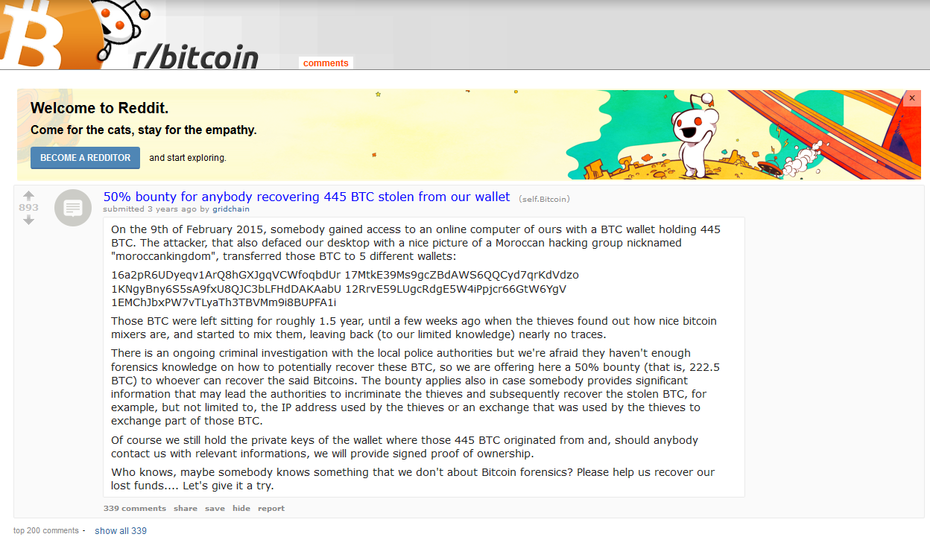

https://old.reddit.com/r/Bitcoin/comments/69duq9/50_bounty_for_anybody_recovering_445_btc_stolen/dh67avn/

LANGUAGE EXAMPLE | https://thecharlatan.github.io/COLDCARD-Supply-Chain/

